My Climbing
Milestone | Landmark | Information | Map (click the link to see it) | Elevation (above sea level) | Your Climb: 0 metres
20 | Ben Nevis | Ben Nevis is the highest mountain in the British Isles, the summit is 1,345 metres above sea level. Ben Nevis stands at the western end of the Grampian Mountains in the Lochaber area of the Scottish Highlands, close to the town of Fort William. The summit is the highest land in any direction for 459 miles | See Ben Nevis | 1345 metres | 1345m to go
19 | Mount Snowdon | Snowdon is the highest mountain in Wales, at an elevation of 1,085 metres above sea level, and the highest point in the British Isles outside the Scottish Highlands. It is located in Snowdonia National Park in Gwynedd. | See Mount Snowdon | 1085 metres | 1085m to go
18 | Scarfell Pike | Scafell Pike is the highest mountain in England, at an elevation of 978 metres above sea level. It is located in the Lake District National Park, in Cumbria, and is part of the Southern Fells. | See Scarfell Pike | 978 metres | 978m to go
17 | Pen Y Fan | Pen y Fan is the highest peak in South Wales, situated in the Brecon Beacons National Park. | See Pen Y Fan | 886 metres | 886m to go
16 | The Cheviot | The Cheviot is the highest summit in the Cheviot Hills in the far north of England, only 1¼ miles (2 km) from the Scottish border. | See The Cheviot | 815 metres | 815m to go
15 | Ben Loyal | Ben Loyal is an isolated mountain of 764 m in Sutherland, the northwestern tip of the Scottish Highlands. | See Ben Loyal | 764 metres | 764m to go
14 | Kinder Scout | The moorland plateau of Kinder Scout stands as the highest point of the Peak District, at 636m above sea level. (Derbyshire) | See Kinder Scout | 636 metres | 636m to go
13 | Dunkery Beacon | Dunkery Beacon at the summit of Dunkery Hill is the highest point on Exmoor and in Somerset, England. | See Dunkery Beacon | 520 metres | 520m to go
12 | Worcestershire Beacon | The Beacon, is a hill whose summit at 425 metres (1,394 ft)[1] is the highest point of the range of Malvern Hills | See Worcestershire Beacon | 425 metres | 425m to go
11 | Malham Tarn | Malham Tarn is a glacial lake near the village of Malham in the Yorkshire Dales, England. | See Malham Tarn | 377 metres | 377m to go
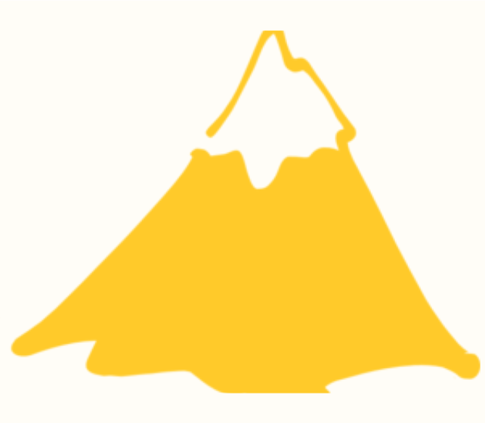
10 | Cleeve Hill | Cleeve Hill is the highest point in Gloucestershire and is also the highest peak of the Cotswold Hills. | See Cleeve Hill | 330 metres | 330m to go
9 | Cheddar Gorge | Cheddar Gorge is a limestone gorge in the Mendip Hills, near the village of Cheddar, Somerset, England. | See Chedder Gorge | 275 metres | 275m to go
8 | Gold Hill | Gold Hill, Shaftesbury a glorious setting made famous in the much loved "Hovis" advert. (Dorset) | See Gold Hill | 215 metres | 215m to go
7 | Crooks Peak | Crook Peak is the westernmost of the six main summits of the Mendip Hills and while not the highest, presents the most mountainous appearance. (Somerset) | See Crooks Peak | 191 metres | 191m to go
6 | Glastonbury Tor | Glastonbury Tor is one of the most famous landmarks in Somerset, if not the whole of the West Country. (Somerset) | See Glastonbury Tor | 158 metres | 158m to go
5 | Brent Knoll | Brent Knoll is a 137-metre-high (449 ft) hill on the Somerset Levels, in Somerset, England | See Brent Knoll | 139 metres | 139m to go
4 | White Cliffs of Dover | White Cliifs of Dover: This stunning landmark is an iconic spot in England (Kent) | See White Cliffs of Dover | 110 metres | 110m to go
3 | Stonehenge | Stonehenge is perhaps the world's most famous prehistoric monument (Wiltshire) | See Stonehenge | 100 metres | 100m to go
2 | Tintagel | Tintagel Castle, steeped in legend and mystery; said to be the birthplace of King Arthur (Cornwall) | See Tintagel | 76 metres | 76m to go
1 | Loch Ness | Loch Ness is a large, deep, freshwater loch in the Scottish Highlands | See Loch Ness | 16 metres | 16m to go
0 | Holme Fen | Holme Fen, specifically Holme Posts, is believed to be the lowest land point in Great Britain at 2.75 metres (9.0 ft) below sea level. | See Holme Fen | - 2.75 metres | SUMMIT!

